Sheet1
Woodworks Bookshelf Co.
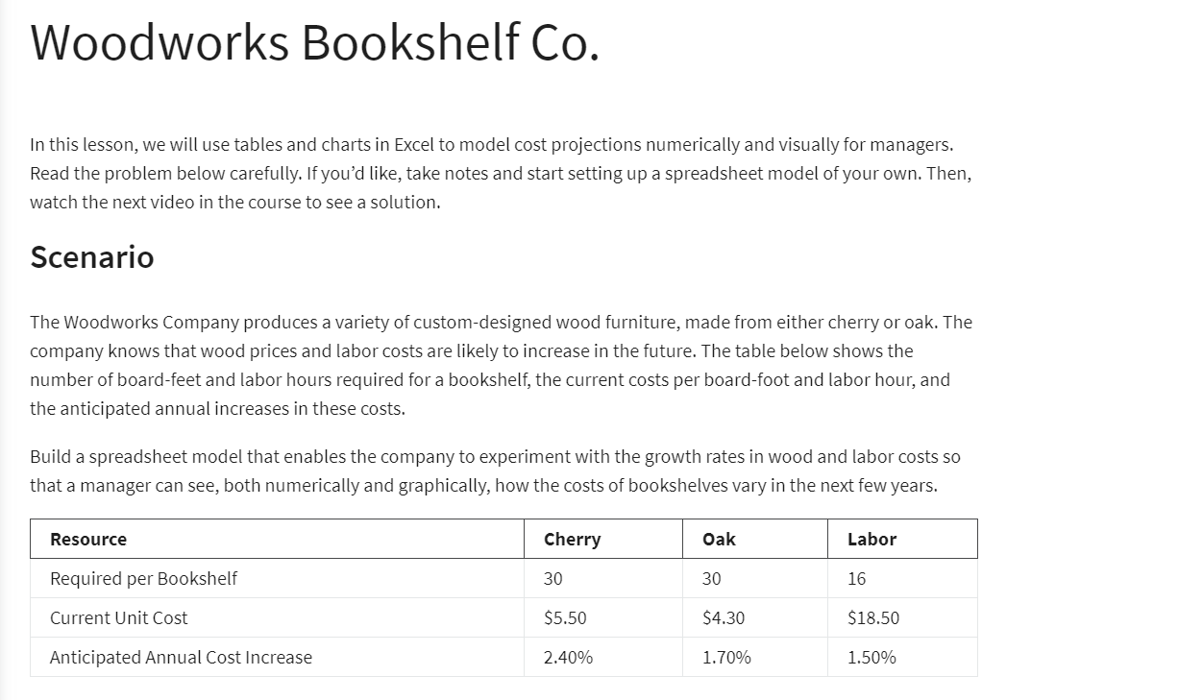
Woodworks Bookshelf Co.

Cost: | Cherry | Oak
Current Unit Cost: | $5.50 | $4.30
Board Feet: | 30 | 30
Material Cost: | $165.00 | $129.00

Labor required: | 16 | 16
Labot rate: | $18.50 | $18.50
Labor cost: | $296.00 | $296.00

Total Cost: | $461.00 | $425.00

Cost inc rate: | 2.40% | 1.70%
Labor inc rate: | 1.50% | 1.50%

Year | Cherry | Oak | Labor | Total Cherry | Total Oak
0 | $165.00 | $129.00 | $296.00 | $461.00 | $425.00
1 | $168.96 | $131.19 | $300.44 | $469.40 | $431.63
2 | $173.02 | $133.42 | $304.95 | $477.96 | $438.37
3 | $177.17 | $135.69 | $309.52 | $486.69 | $445.21
4 | $181.42 | $138.00 | $314.16 | $495.58 | $452.16
5 | $185.77 | $140.34 | $318.88 | $504.65 | $459.22

